Q1
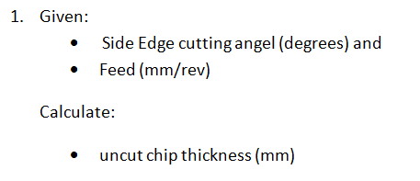
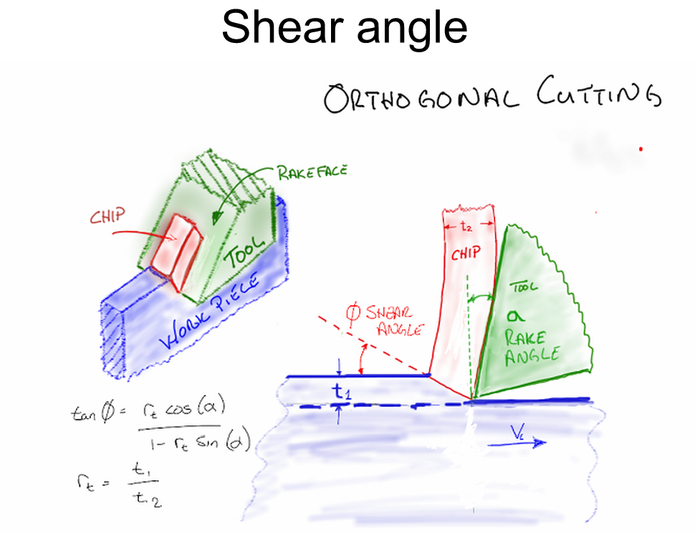

Given:
Beta | 45 | degrees | 0.7853981634 | radians
Feed | 0.001 | in/min

Calculate
Uncut Chip Thickness | 0.00070710678119

